How to find an item code
Desktop
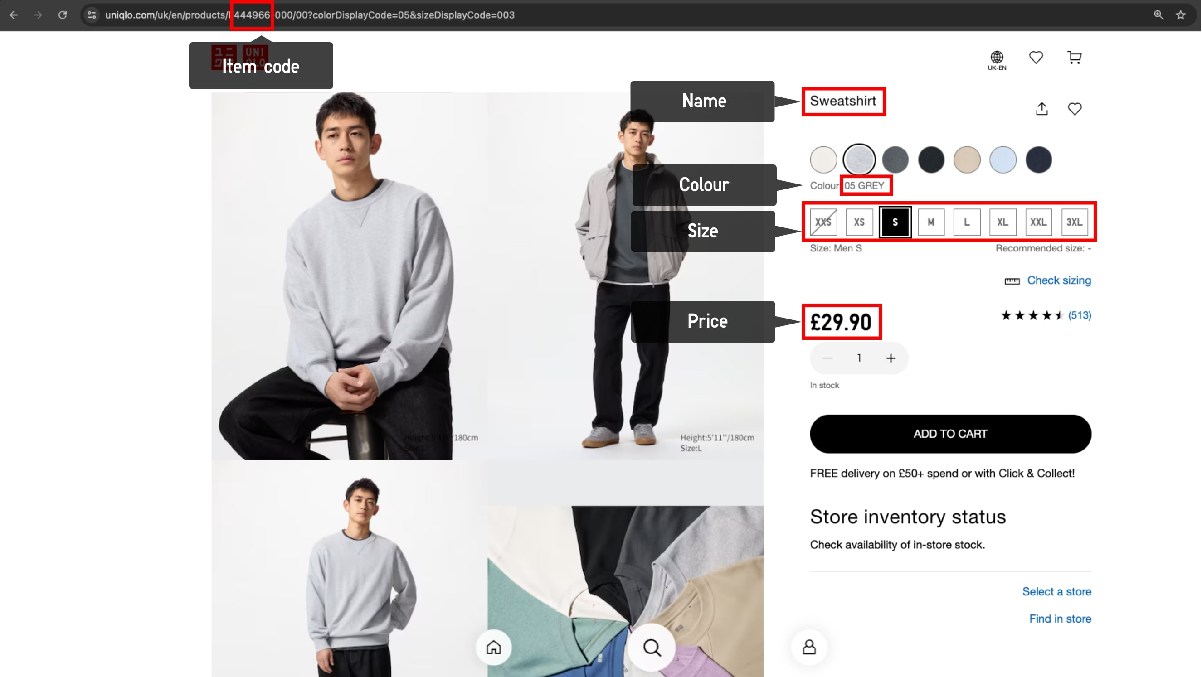

Mobile

